VL-01 DUCT
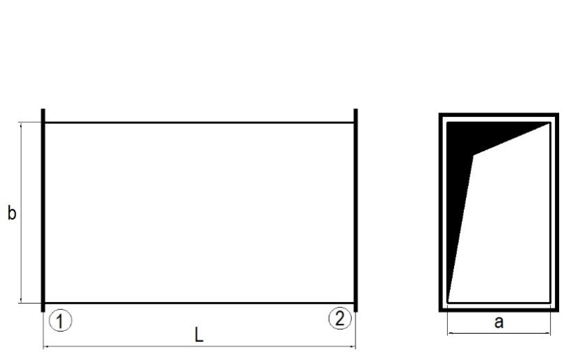
 |  |  |  |  |  |  |  | VL-01 | DUCT
 |  |  |  |  |  |  |  | CUSTOMER | (company name)
 |  |  |  |  |  |  |  | PROJECT | (project name)
 |  |  |  |  |  |  |  | WORK NUMBER | (FQ Plusz identifier)
 |  |  |  |  |  |  |  | MANUFACTURER | FQ Plusz Kft.
 |  |  |  |  |  |  |  | DEADLINE
 |  |  |  |  |  |  |  | AIRTIGHTNESS | B class

 |  |  |  |  |  | MEZ frame size
Customer ID | PCS | A | B | L | Thickness | j | k | NOTES | NOTES

VL-07 BEND (ELBOW)
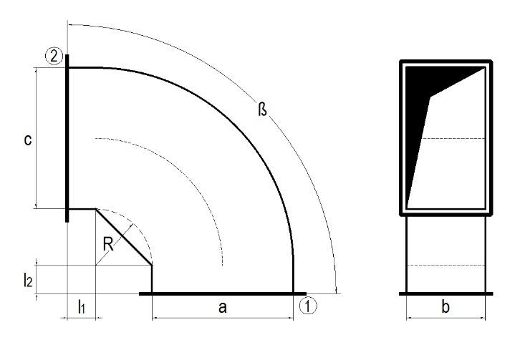
 |  |  |  |  |  |  |  |  |  |  |  | VL-07 | BEND (ELBOW)
 |  |  |  |  |  |  |  |  |  |  |  | CUSTOMER | (company name)
 |  |  |  |  |  |  |  |  |  |  |  | PROJECT | (project name)
 |  |  |  |  |  |  |  |  |  |  |  | WORK NUMBER | (FQ Plusz identifier)
 |  |  |  |  |  |  |  |  |  |  |  | MANUFACTURER | FQ Plusz Kft.
 |  |  |  |  |  |  |  |  |  |  |  | DEADLINE
 |  |  |  |  |  |  |  |  |  |  |  | AIRTIGHTNESS | B class

 |  |  |  |  |  |  | Leg length |  |  | MEZ frame size
Customer ID | PCS | A | B | C | ß | R | L1 | L2 | Thickness | j | k | NOTES | NOTES

VL-02 BEND
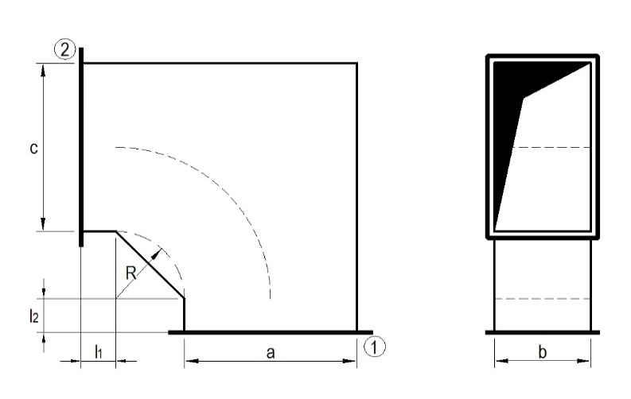
 |  |  |  |  |  |  |  |  |  |  |  | VL-02 | BEND
 |  |  |  |  |  |  |  |  |  |  |  | CUSTOMER | (company name)
 |  |  |  |  |  |  |  |  |  |  |  | PROJECT | (project name)
 |  |  |  |  |  |  |  |  |  |  |  | WORK NUMBER | (FQ Plusz identifier)
 |  |  |  |  |  |  |  |  |  |  |  | MANUFACTURER | FQ Plusz Kft.
 |  |  |  |  |  |  |  |  |  |  |  | DEADLINE
 |  |  |  |  |  |  |  |  |  |  |  | AIRTIGHTNESS | B class

 |  |  |  |  |  |  | Leg length |  |  | MEZ frame size
Customer ID | PCS | A | B | C | ß | R | L1 | L2 | Thickness | j | k | NOTES | NOTES

VL-10 S-BEND
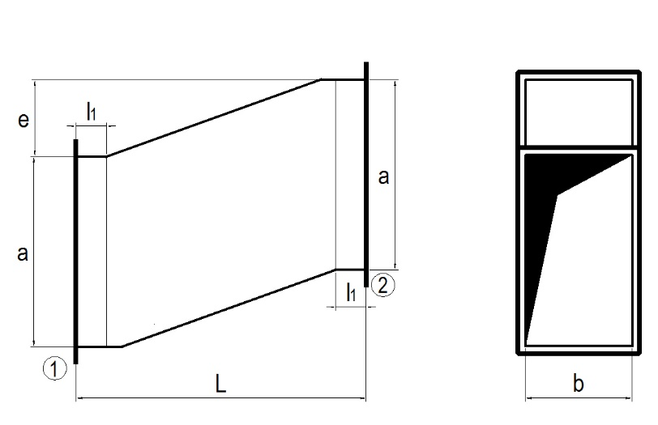
 |  |  |  |  |  |  |  |  |  | VL-10 | S-BEND
 |  |  |  |  |  |  |  |  |  | CUSTOMER | (company name)
 |  |  |  |  |  |  |  |  |  | PROJECT | (project name)
 |  |  |  |  |  |  |  |  |  | WORK NUMBER | (FQ Plusz identifier)
 |  |  |  |  |  |  |  |  |  | MANUFACTURER | FQ Plusz Kft.
 |  |  |  |  |  |  |  |  |  | DEADLINE
 |  |  |  |  |  |  |  |  |  | AIRTIGHTNESS | B class

 |  |  |  |  | Leg length |  |  | MEZ frame size
Customer ID | PCS | A | B | E | L | L1 | Thickness | j | k | NOTES | NOTES

VL-03 T-PIECE
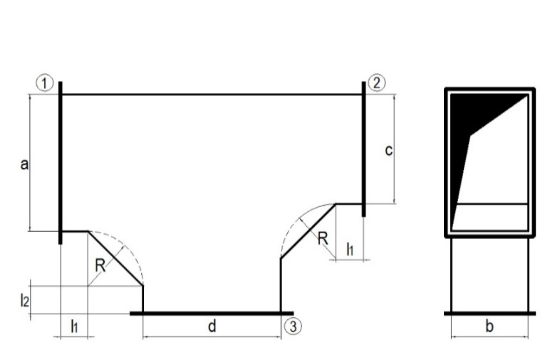
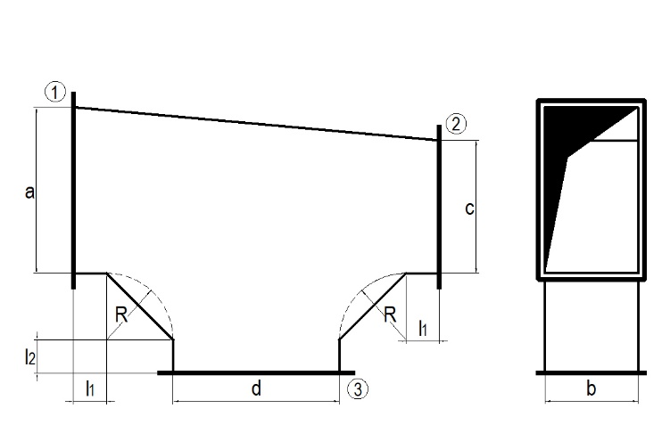
 |  | TYPE 1 |  |  |  |  |  |  |  | TYPE 2 |  |  |  | VL-03 | T-PIECE
 |  |  |  |  |  |  |  |  |  |  |  |  |  | CUSTOMER | (company name)
 |  |  |  |  |  |  |  |  |  |  |  |  |  | PROJECT | (project name)
 |  |  |  |  |  |  |  |  |  |  |  |  |  | WORK NUMBER | (FQ Plusz identifier)
 |  |  |  |  |  |  |  |  |  |  |  |  |  | MANUFACTURER | FQ Plusz Kft.
 |  |  |  |  |  |  |  |  |  |  |  |  |  | DEADLINE
 |  |  |  |  |  |  |  |  |  |  |  |  |  | AIRTIGHTNESS | B class

 |  |  |  |  |  |  |  | Leg length |  |  | MEZ frame size
TYPE | Customer ID | PCS | A | B | C | D | R | L1 | L2 | Thickness | j | k | l | NOTES | NOTES

VL-05 TAPER
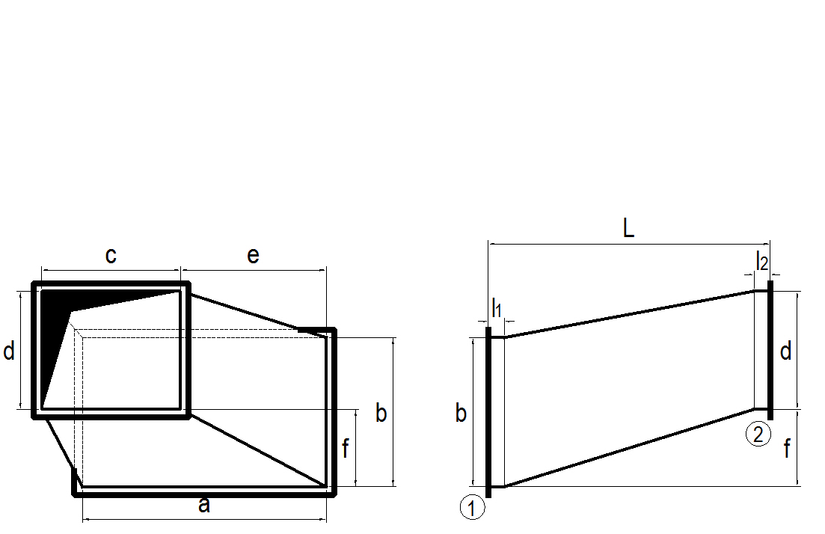
 |  |  |  |  |  |  |  |  |  |  |  |  |  | VL-05 | TAPER
 |  |  |  |  |  |  |  |  |  |  |  |  |  | CUSTOMER | (company name)
 |  |  |  |  |  |  |  |  |  |  |  |  |  | PROJECT | (project name)
 |  |  |  |  |  |  |  |  |  |  |  |  |  | WORK NUMBER | (FQ Plusz identifier)
 |  |  |  |  |  |  |  |  |  |  |  |  |  | MANUFACTURER | FQ Plusz Kft.
 |  |  |  |  |  |  |  |  |  |  |  |  |  | DEADLINE
 |  |  |  |  |  |  |  |  |  |  |  |  |  | AIRTIGHTNESS | B class

 |  |  |  |  |  |  |  |  | Leg length |  |  | MEZ frame size
Customer ID | PCS | A | B | C | D | L | E | F | L1 | L2 | Thickness | j | k | NOTES | NOTES

VL-08 RECT-TO-ROUND TRANSITION
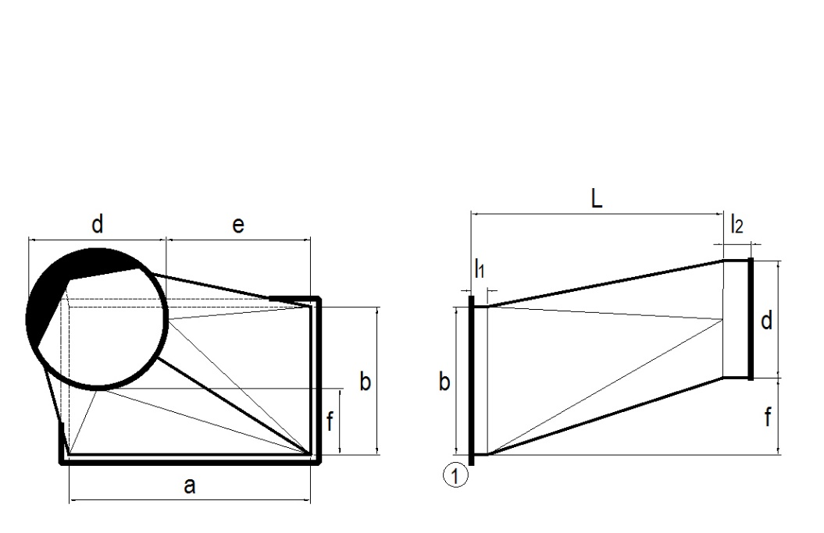
 |  |  |  |  |  |  |  |  |  |  |  | VL-08 | RECT-TO-ROUND TRANSITION
 |  |  |  |  |  |  |  |  |  |  |  | CUSTOMER | (company name)
 |  |  |  |  |  |  |  |  |  |  |  | PROJECT | (project name)
 |  |  |  |  |  |  |  |  |  |  |  | WORK NUMBER | (FQ Plusz identifier)
 |  |  |  |  |  |  |  |  |  |  |  | MANUFACTURER | FQ Plusz Kft.
 |  |  |  |  |  |  |  |  |  |  |  | DEADLINE
 |  |  |  |  |  |  |  |  |  |  |  | AIRTIGHTNESS | B class

 |  |  |  |  |  |  |  | Leg length |  |  | MEZ frame size
Customer ID | PCS | A | B | D | L | E | F | L1 | L2 | Thickness | j | NOTES | NOTES

